List1
OLAPLEX

EAN | DESCRIPTION | BATCH CODE | Price € | Stock
896364002350 | No.3 Hair Perfector (100ml) | 0J1312-20307A13 | € 15.00 | 1355
896364002602 | No.6 Bond Smoother (100ml) | 1F0719-2117849 | € 15.00 | 893

LA ROCHE-POSAY

EAN | DESCRIPTION | BATCH CODE | Price € | Stock
30162662 | LA ROCHE-POSAY ANTHELIOS 50+ INVISIBLE FLUID 50 ML.1.7oz(Exp.Date: 01.2024) | 54U103 | € 17.99 | 1852

HERMES - Terre d'Hermès

EAN | DESCRIPTION | BATCH CODE | Price € | Stock
3346131400003 | HERMES Terre d'Hermès Eau de Toilette Vaporisateur 100ml | TBC | € 58.75 | 415

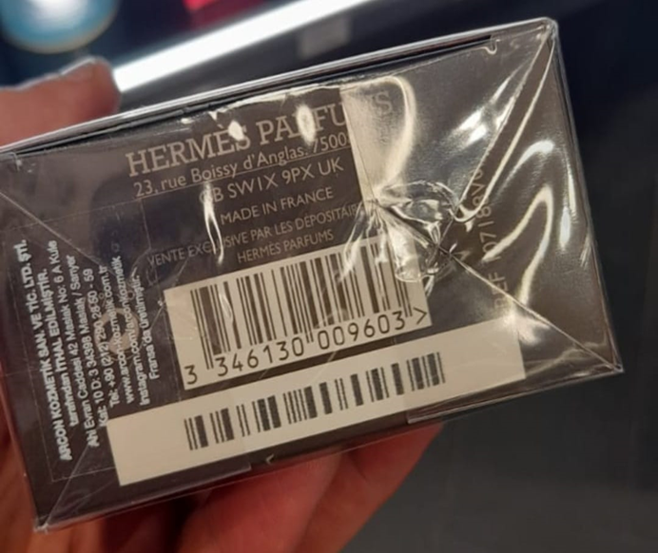

DIOR

EAN | DESCRIPTION | BATCH CODE | Price € | Stock
3348901368247 | Dior Sauvage Edp 100 ML | 0H03 | € 54.99 | 611

